Sheet2
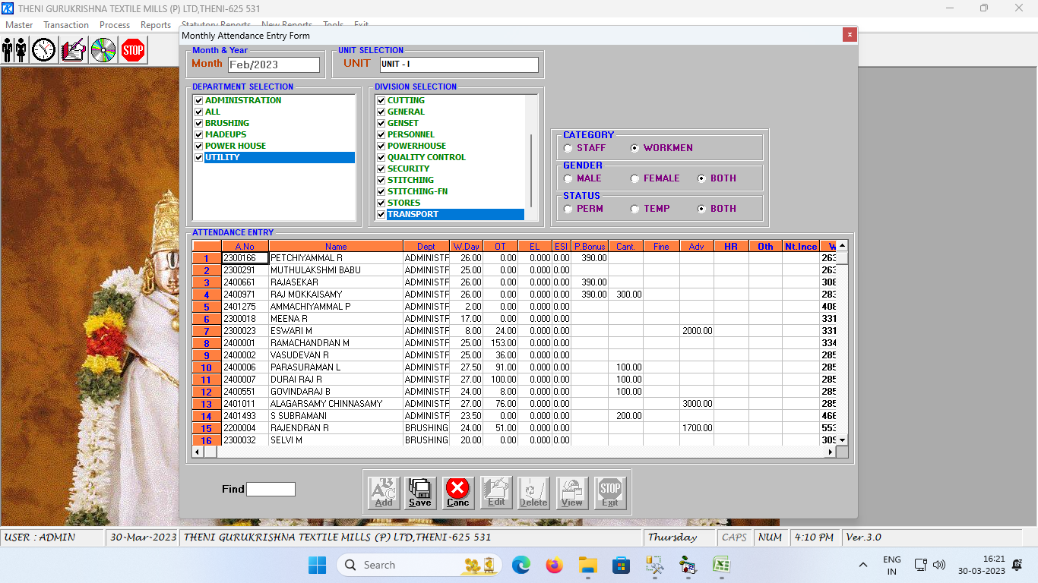

A.No | Name | Dept | w.days | ot | EL | ESI | P.Bonus | Canteen | Fine | Adv | HR | Oth | Nt.Inc | Wages
Ecode | Empname | dept | dayhour | ot |  |  | Inc1 | ded1 | ded2 | ded3 | HR | Oth | ntinc

